Marketecture Diagram
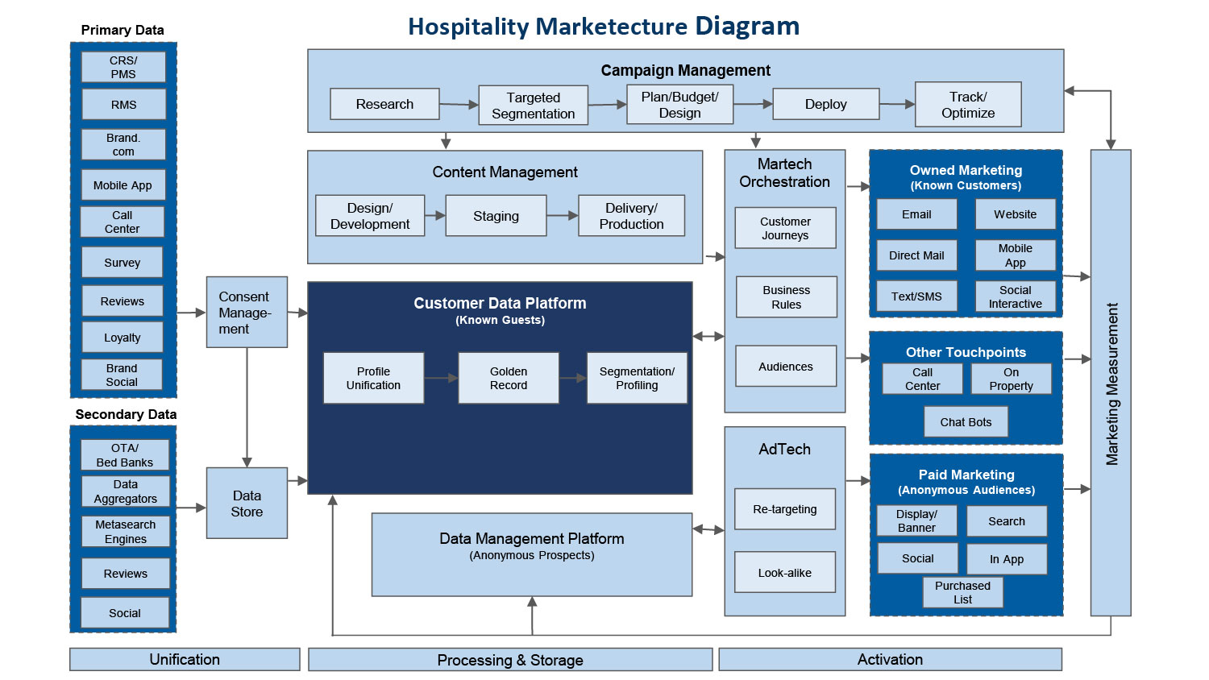
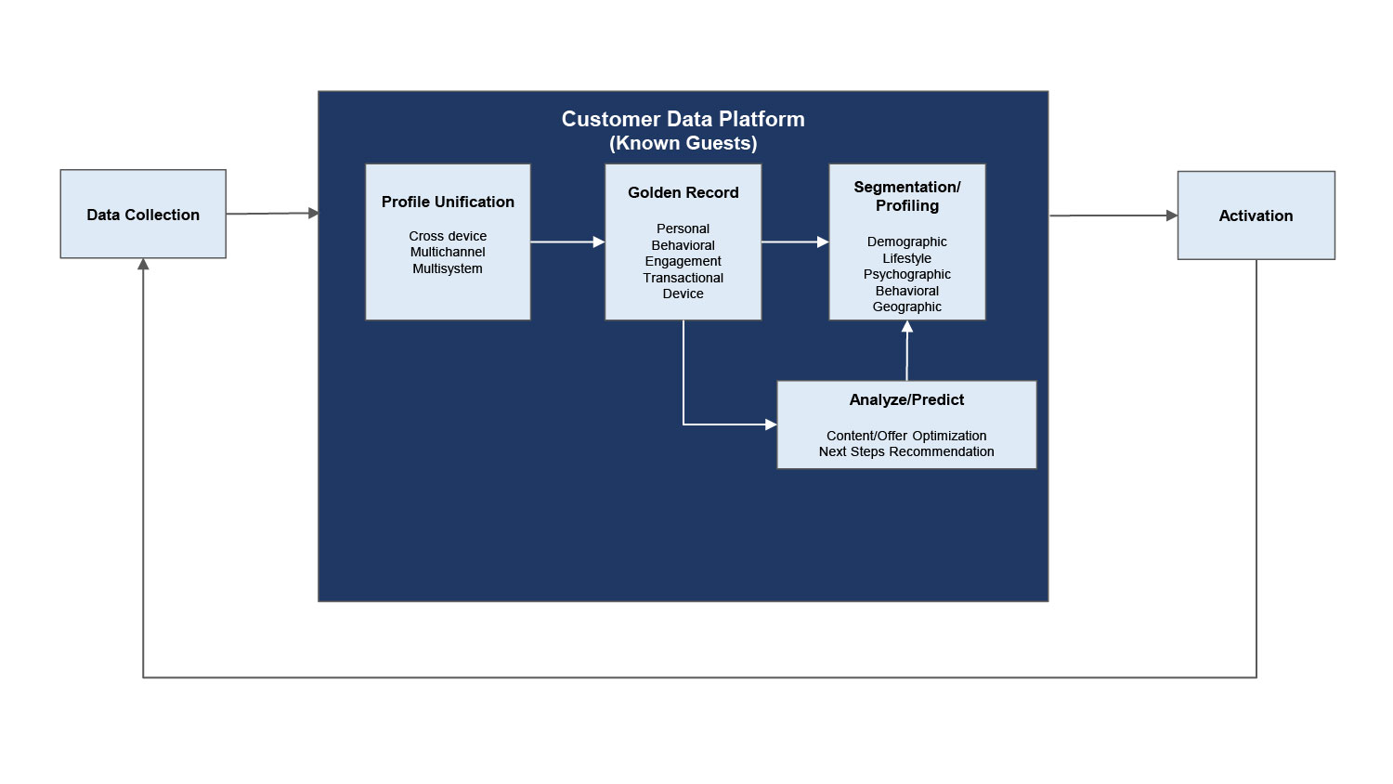
This illustration is meant to help plan roadmaps, with each block representing a new launch and/or upgrade. Marketecture diagrams make it easier for an audience to understand how products and services work together. Select which products/features you currently have and their current ownership; this would be the foundation of your marketecture plan. You can select which elements you'd like to add or upgrade and use this workbook to guide you through its installation.

